Formation blank
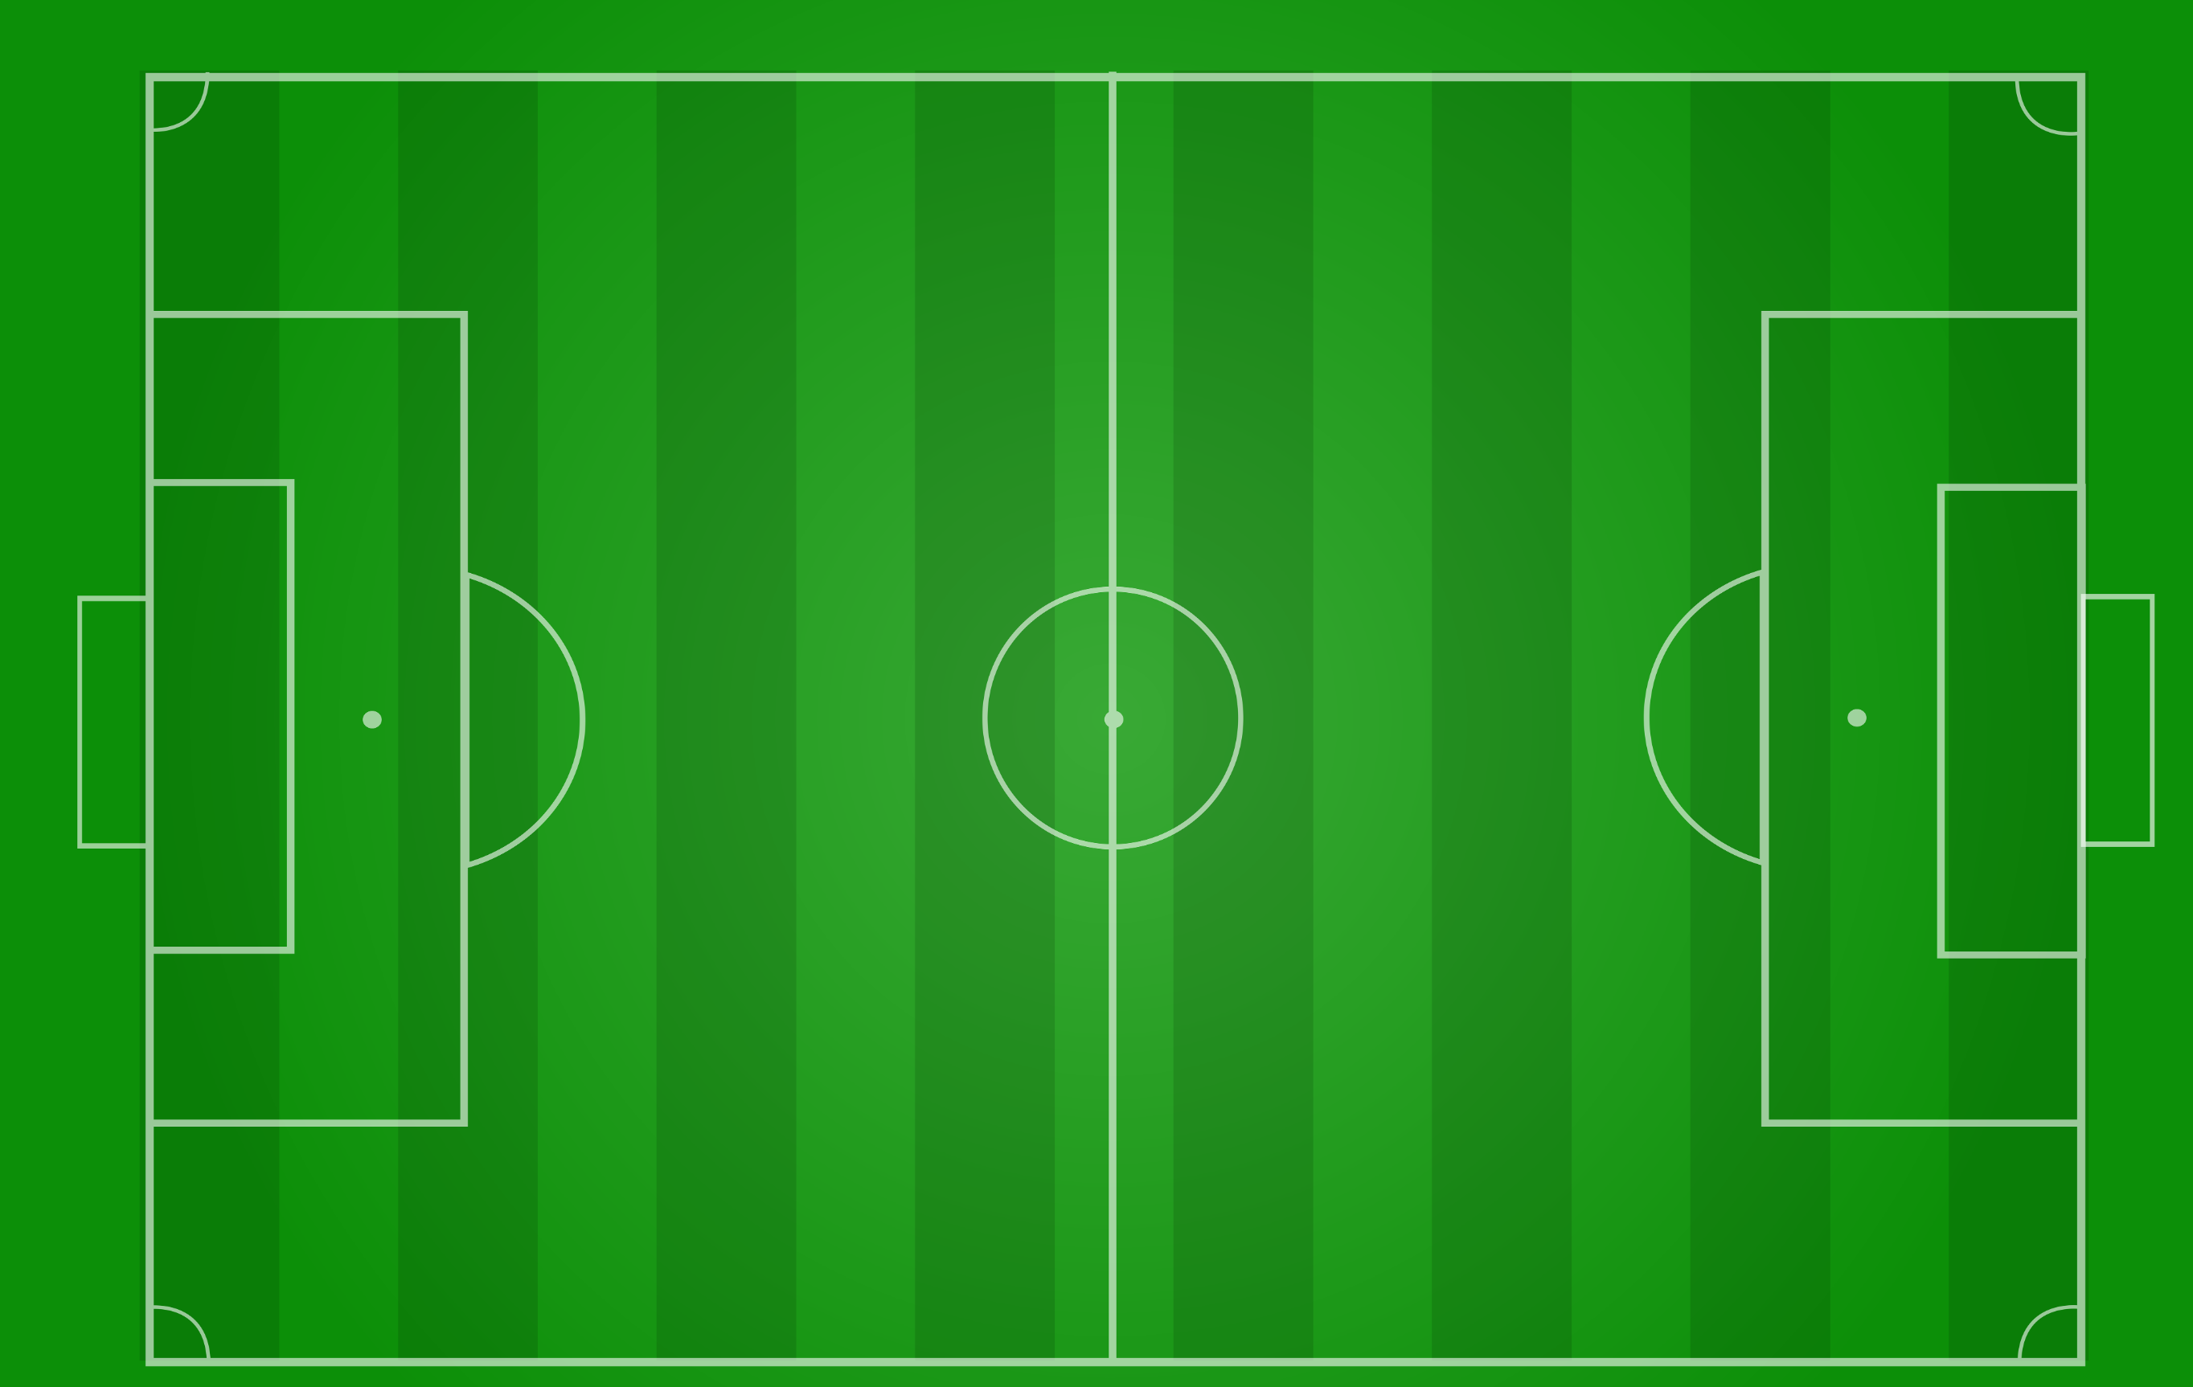

Noah M

Gratian
Noah S
Jaxson

Canaan
Alex
Liam

Callum
Brayden
Isaac

Skyler
Logan
Jake

Easton

Formation
L M

L D

CDM
CAM
S

R D

R M

Formation (2)
L M

L D

CAM

S

CDM

R D

R M

field long 3rds
L M

LEFT THIRD

L D

CAM
CENTRE THIRD

S

CDM

R D

RIGHT THIRD

R M

field zones 3rds
DEFENSE 1/3
L M

L D
MIDDLE 1/3

ATTACKING 1/3
CAM

S

CDM

R D

R M

crossing R
CROSSING AREA

L M

L D

CAM
GK

S

CDM

R D
CROSSING AREA

R M

crossing L
CROSSING AREA

L M

L D

CDM

S
CAM
GK

R D

R M

CROSSING AREA

crossing R (back)
CROSSING AREA

L M

L D

CAM
GK

S

CDM

R D
Option
CROSSING AREA

R M

BOTB
S

R M

S

CAM
R M

L M

CDM

R D
L D

GK

Jax - Formation
Liam
Isaac

Alex
Jaxson
Noah M
Gratian

Skyler
Noah S

Brayden

Jake

Canaan
Logan

Callum

Easton

